Data Governance
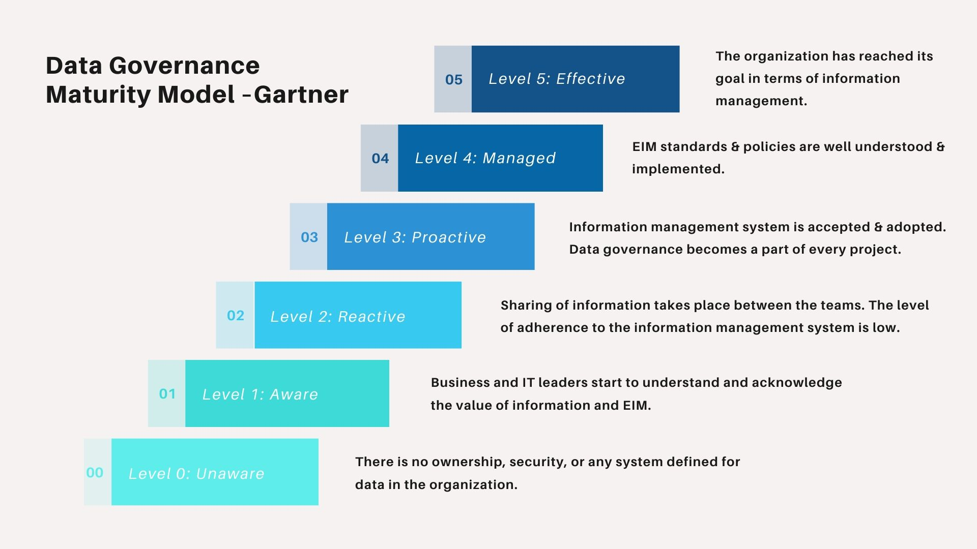
DAMA Framework

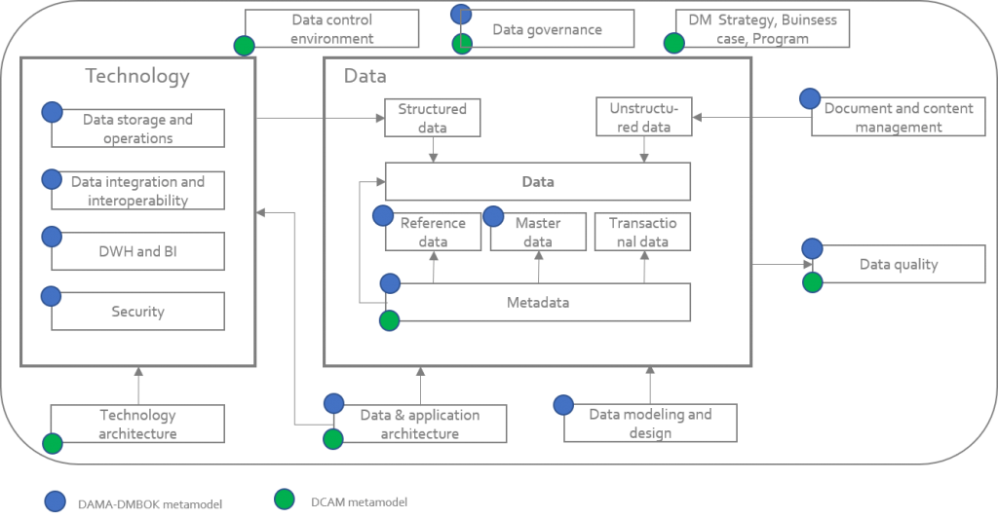
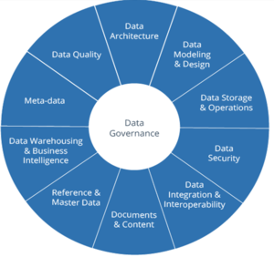

Lifecycle Of Data

3 Aspect of Data Governance to adress

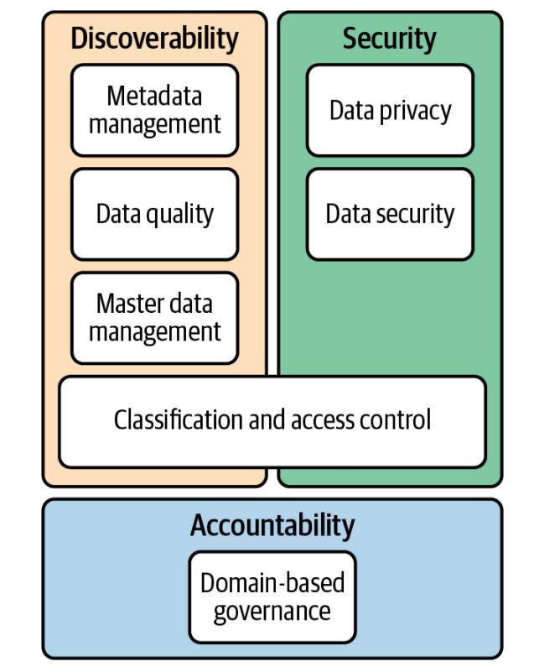

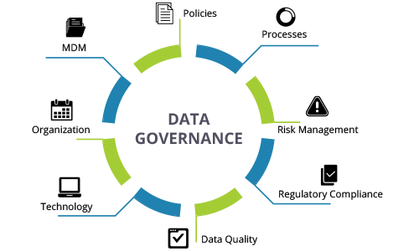

Data Governance over lifecycle

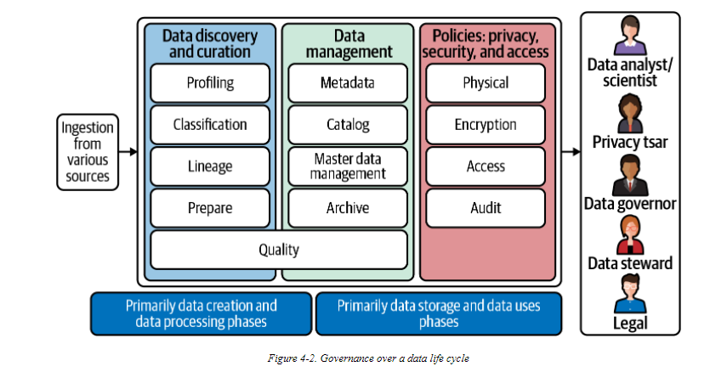

Data Governance Maturity Model

Data Governance in Cloud
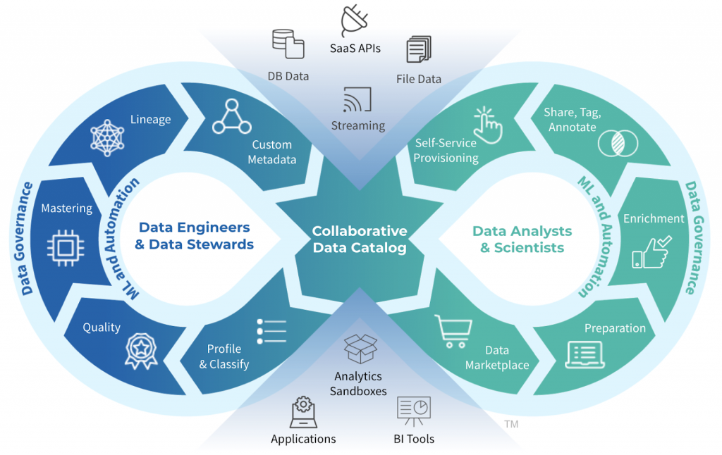
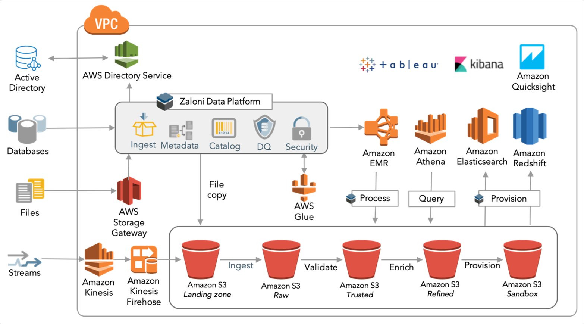
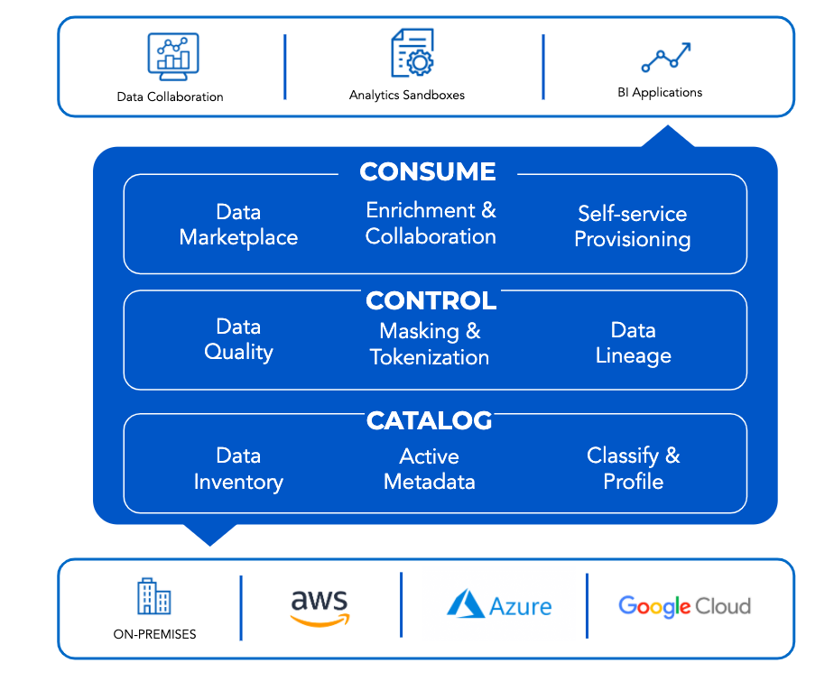
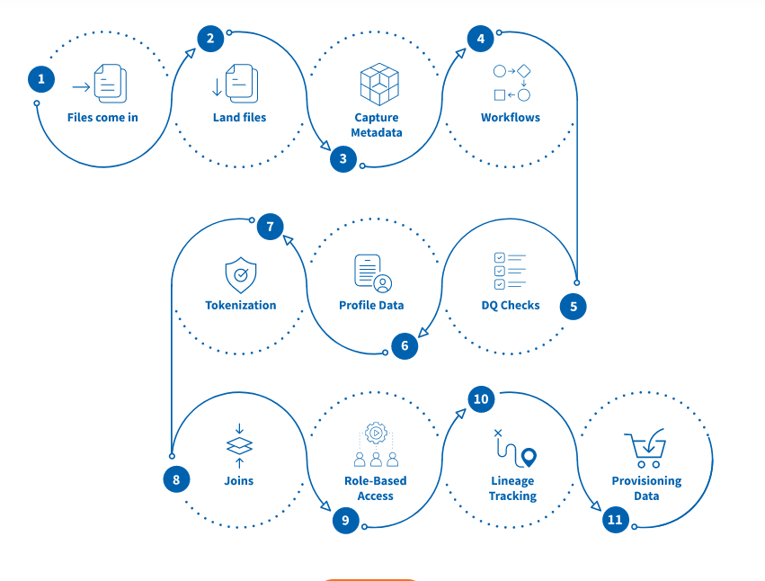
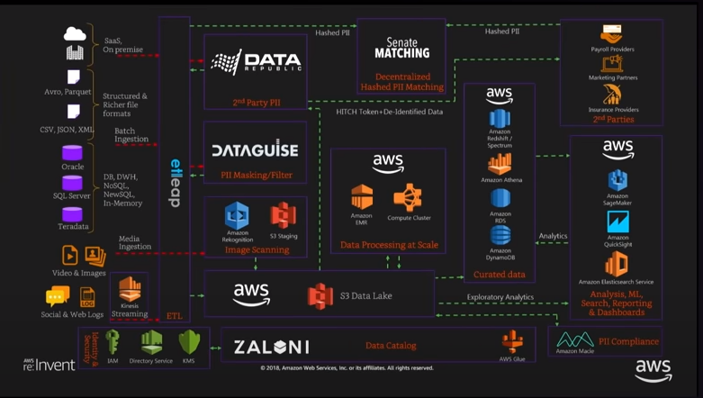

Data Catlog | Zaloni
Data Masking | DataGuise
Compliance | Amazon Macie

Others
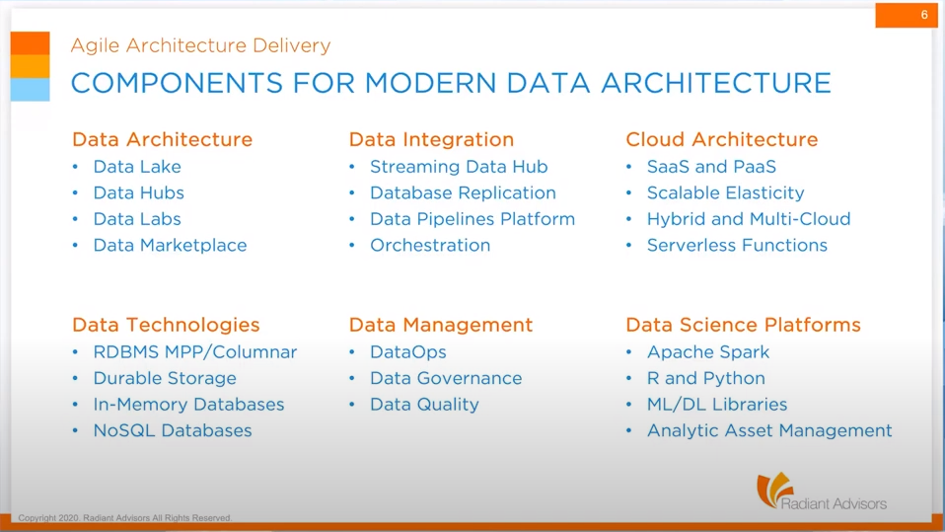

Data Ops
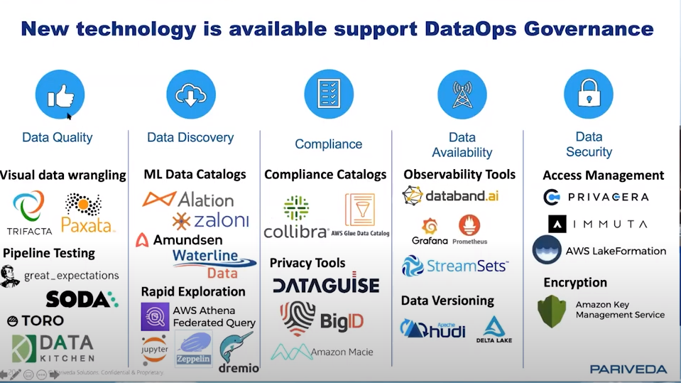
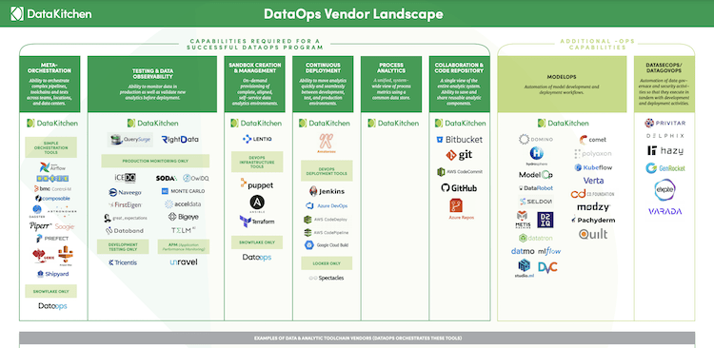
Topic | Details
What is DataOps ? | A collaborative data management practice to 1. improve communication 2.integration 3.automation of data flows
Objective of Data Ops | Continuous Delivery of Analytics by reducing the end-to-end cycle time of data analytics
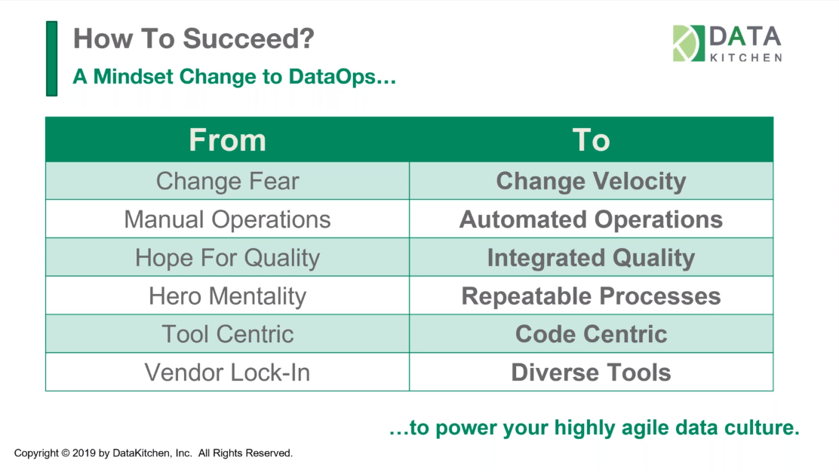
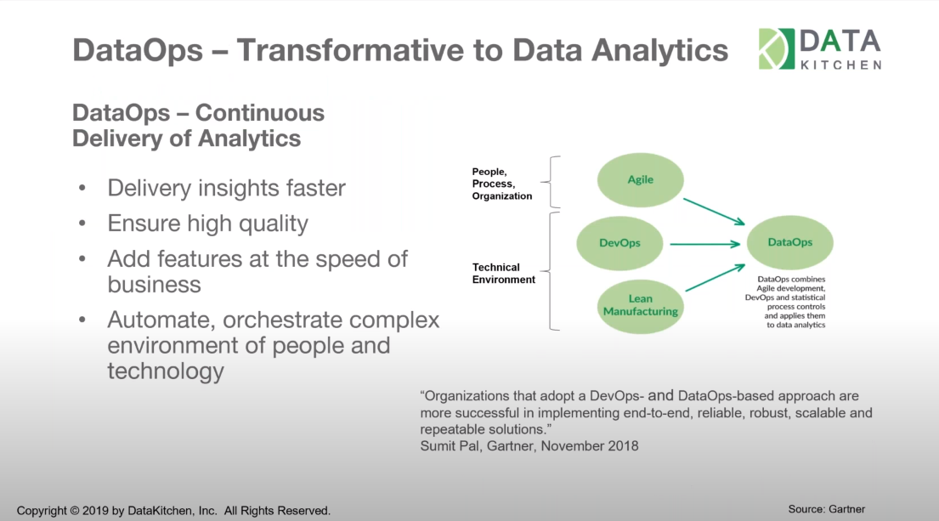

 | DevOps Vs dataOps
Value Pipeline | Generate Analytics from raw Data. Production Pipeline Code is fixed but Data is Variable
Innovation Pipeline | Introduces new analytic ideas into the Value Pipeline. Continious Innovation Data is fixed but Code is variable
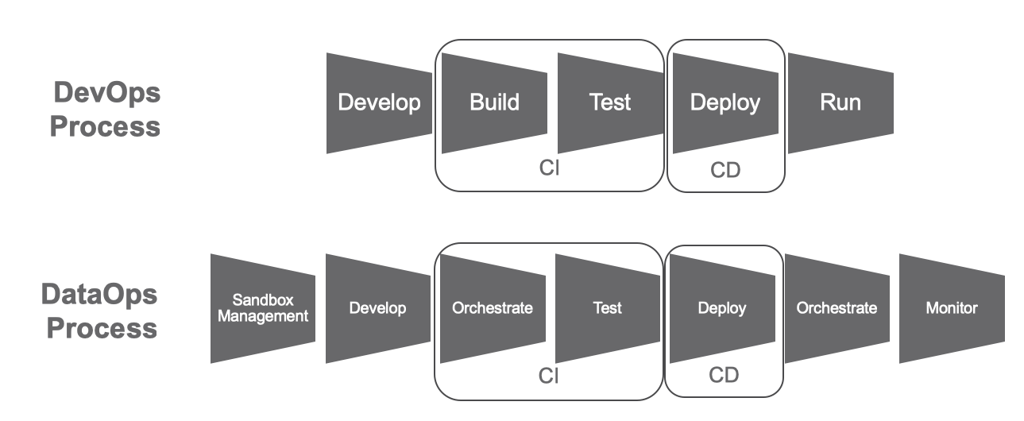
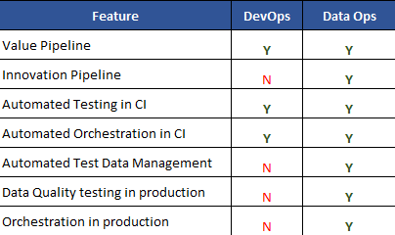

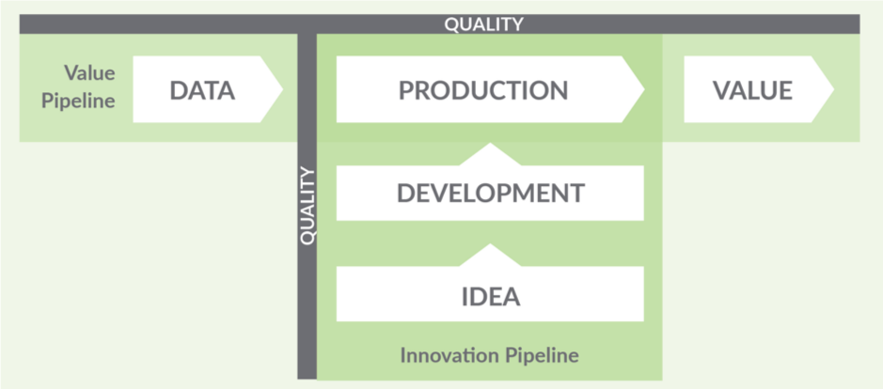
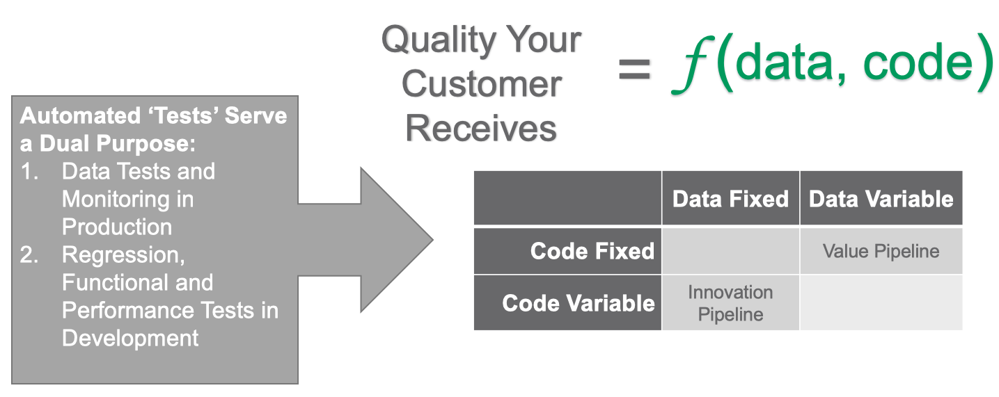

 | Tech Landscape for DataOps

